ADC sample
 |  |  |  |  |  |  |  |  |  |  |  |  |  |  |  |  |  |  |  |  | No. | content
Signal name | ADC | SD | CMP | PPB | 20 | 21 | 22 | 23 | 24 | 25 | 26 | 27 | 28 | 29 | 10 | 11 | 12 | 13 | 14 | 15 | 1 | Grid Va
DC_LINK_VTG | A0 |  | - | x | x |  |  |  |  |  |  |  |  |  |  |  |  |  |  |  | 2 | Grid Vb
GRI_L2_N_VTG | A1 |  | - |  |  |  | x |  |  |  |  |  |  |  |  |  |  |  |  |  | 3 | Grid Vc
DC_CUR | A2 | x | 1P |  |  |  |  | x |  |  |  | x |  |  |  | x |  |  |  | x | 4 | Ia
DC_VTG | A3 |  | 1N |  |  |  |  |  | x |  |  |  |  |  |  |  |  |  |  |  | 5 | Ib
LOAD_L1_CUR | A4 | x | 2P |  |  | x |  |  |  | x |  |  |  | x |  |  |  | x |  |  | 6 | Ic
DC_LINK_N_VTG | A5 |  | 2N | x |  |  |  |  |  |  | x |  |  |  |  |  |  |  |  |  | 7 | DC link V
GRI_L1_N_VTG | A14 (CAL0) |  | 4P |  |  |  |  |  |  |  |  |  | x |  |  |  |  |  |  |  | 8 | V battery
1V5_REF | A15 (CAL1) |  | 4N |  |  |  |  |  |  |  |  |  |  |  |  |  |  |  | x |  | 9 | Vdc1
MUXER | B0 |  | - |  |  |  |  |  |  |  |  |  |  | x |  |  |  |  |  |  | 10 | Vdc2
LOAD_L1_N_VTG | B1 |  | - |  |  |  | x |  |  |  |  |  |  |  |  |  |  |  |  |  | 11 | Idc
GRI_L2_CUR | B2 | x | 3P | x |  |  |  | x |  |  |  | x |  |  |  | x |  |  |  | x | 12 | TempINV
GRI_N_PE_VTG | B3 |  | 3N |  |  |  |  |  | x |  |  |  |  |  |  |  |  |  |  |  | 13 | Tempboost
GRI_L1_N_VTG | B14 (CAL0) |  | 4P |  | x |  |  |  |  |  |  |  |  |  |  |  |  |  |  |  | 14 | TempPcb
1V5_REF | B15 (CAL1) |  | 4N |  |  |  |  |  |  |  |  |  | x |  |  |  |  |  |  |  | 15 | N-PE V
NA | C0 |  | - |  |  |  |  |  |  |  |  |  |  |  |  |  |  |  |  |  | 16 | load Va
NA | C1 |  | - |  |  |  |  |  |  |  |  |  |  |  |  |  |  |  |  |  | 17 | load Vb
GRI_L1_CUR | C2 | x | 6P | x |  |  |  | x |  |  |  | x |  |  |  | x |  |  |  | x | 18 | load Vc
SPS_GRI_N_L_VTG | C3 |  | 6N |  |  |  |  |  | x |  |  |  |  |  |  |  |  |  |  |  | 19 | Temp of Capacitor
LOAD_L2_CUR | C4 |  | 5P |  |  |  |  |  |  | x |  |  |  |  |  |  |  |  |  |  | 20 | load Ia
GRI_L1_N_VTG | C14 (CAL0) |  | 4P |  |  | x |  |  |  |  |  |  |  |  |  |  |  |  |  |  | 21 | load Ib
1V5_REF | C15 (CAL1) |  | 4N |  |  |  |  |  |  |  |  |  |  | x |  |  |  |  |  |  | 22 | load Ic
LOAD_L3_CUR | D0 | x | 7P |  |  |  | x |  |  |  | x |  |  |  | x |  |  |  | x
LOAD_L3_N_VTG | D1 |  | 7N |  |  | x
GRI_L3_CUR | D2 | x | 8P | x |  |  |  | x |  |  |  | x |  |  |  | x |  |  |  | x
GRI_L3_N_VTG | D3 |  | 8N |  |  |  |  |  | x
LOAD_L2_N_VTG | D4 |  | - |  |  |  |  |  |  | x
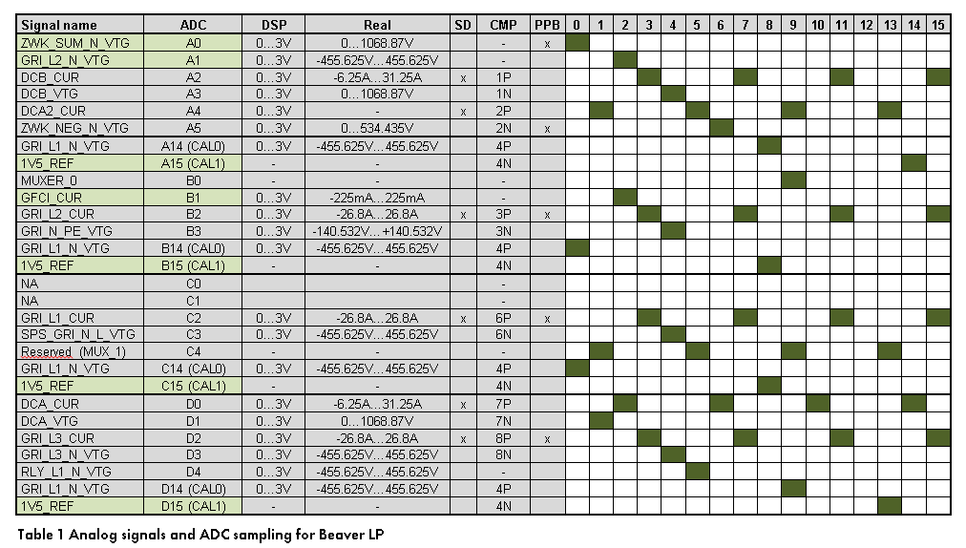
GRI_L1_N_VTG | D14 (CAL0) |  | 4P |  |  |  |  |  |  |  |  |  |  | x
1V5_REF | D15 (CAL1) |  | 4N |  |  |  |  |  |  |  |  |  |  |  |  |  |  | x
 |  |  |  |  |  | Multiplexer signals
 |  |  |  |  |  | Address in binary (s2 s1 s0)
 |  |  |  |  |  | Address |  |  | Name
 |  |  |  |  |  |  | 000 |  | TEMP_Cap
 |  |  |  |  |  |  | 001 |  | TEMP_BC |  |  |  |  |  |  |  |  |  |  |  |  |  | INSRIS | FuSa
 |  |  |  |  |  |  | 010 |  | TEMP_PCB
 |  |  |  |  |  |  | 011 |  | TEMP_INV
 |  |  |  |  |  |  | 100 |  | REF_AC_Cur
 |  |  |  |  |  |  | 101 |  | Reserve
 |  |  |  |  |  |  | 110 |  | Reserve
 |  |  |  |  |  |  | 111 |  | Reserve

